Exercises
Exercises
STT | Requirement | Description | Notes | Content
1 | Install environment | Git | https://git-scm.com/downloads | Git - enviroment
 |  |  | https://desktop.github.com/
 |  | React | https://nodejs.org/en/download/ | React - enviroment
2 | Create new app | React template | npx create-react-app my-app
3 | Create simple layout and home page | Create layout with react-bootstrap or antd |  | Layout basic

6 | Create menu Personal on sidebar |  | 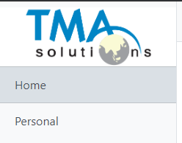 | react - jsx

7 | Add Personal page and add some personal information (resume) |  | 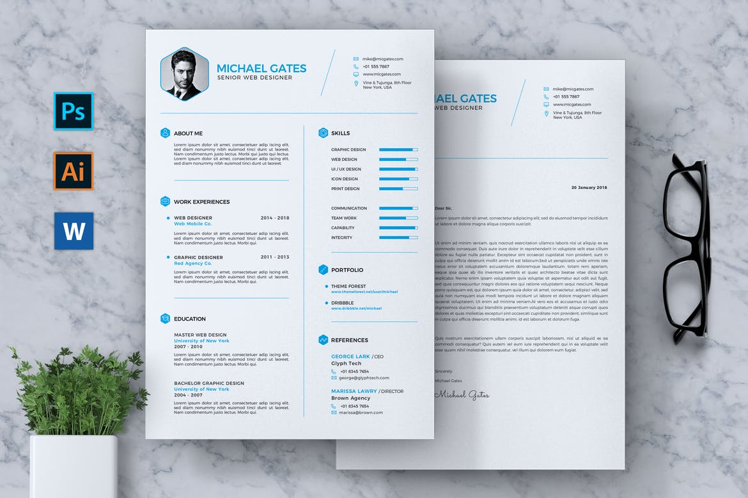 | react - scss

